rc-101 form
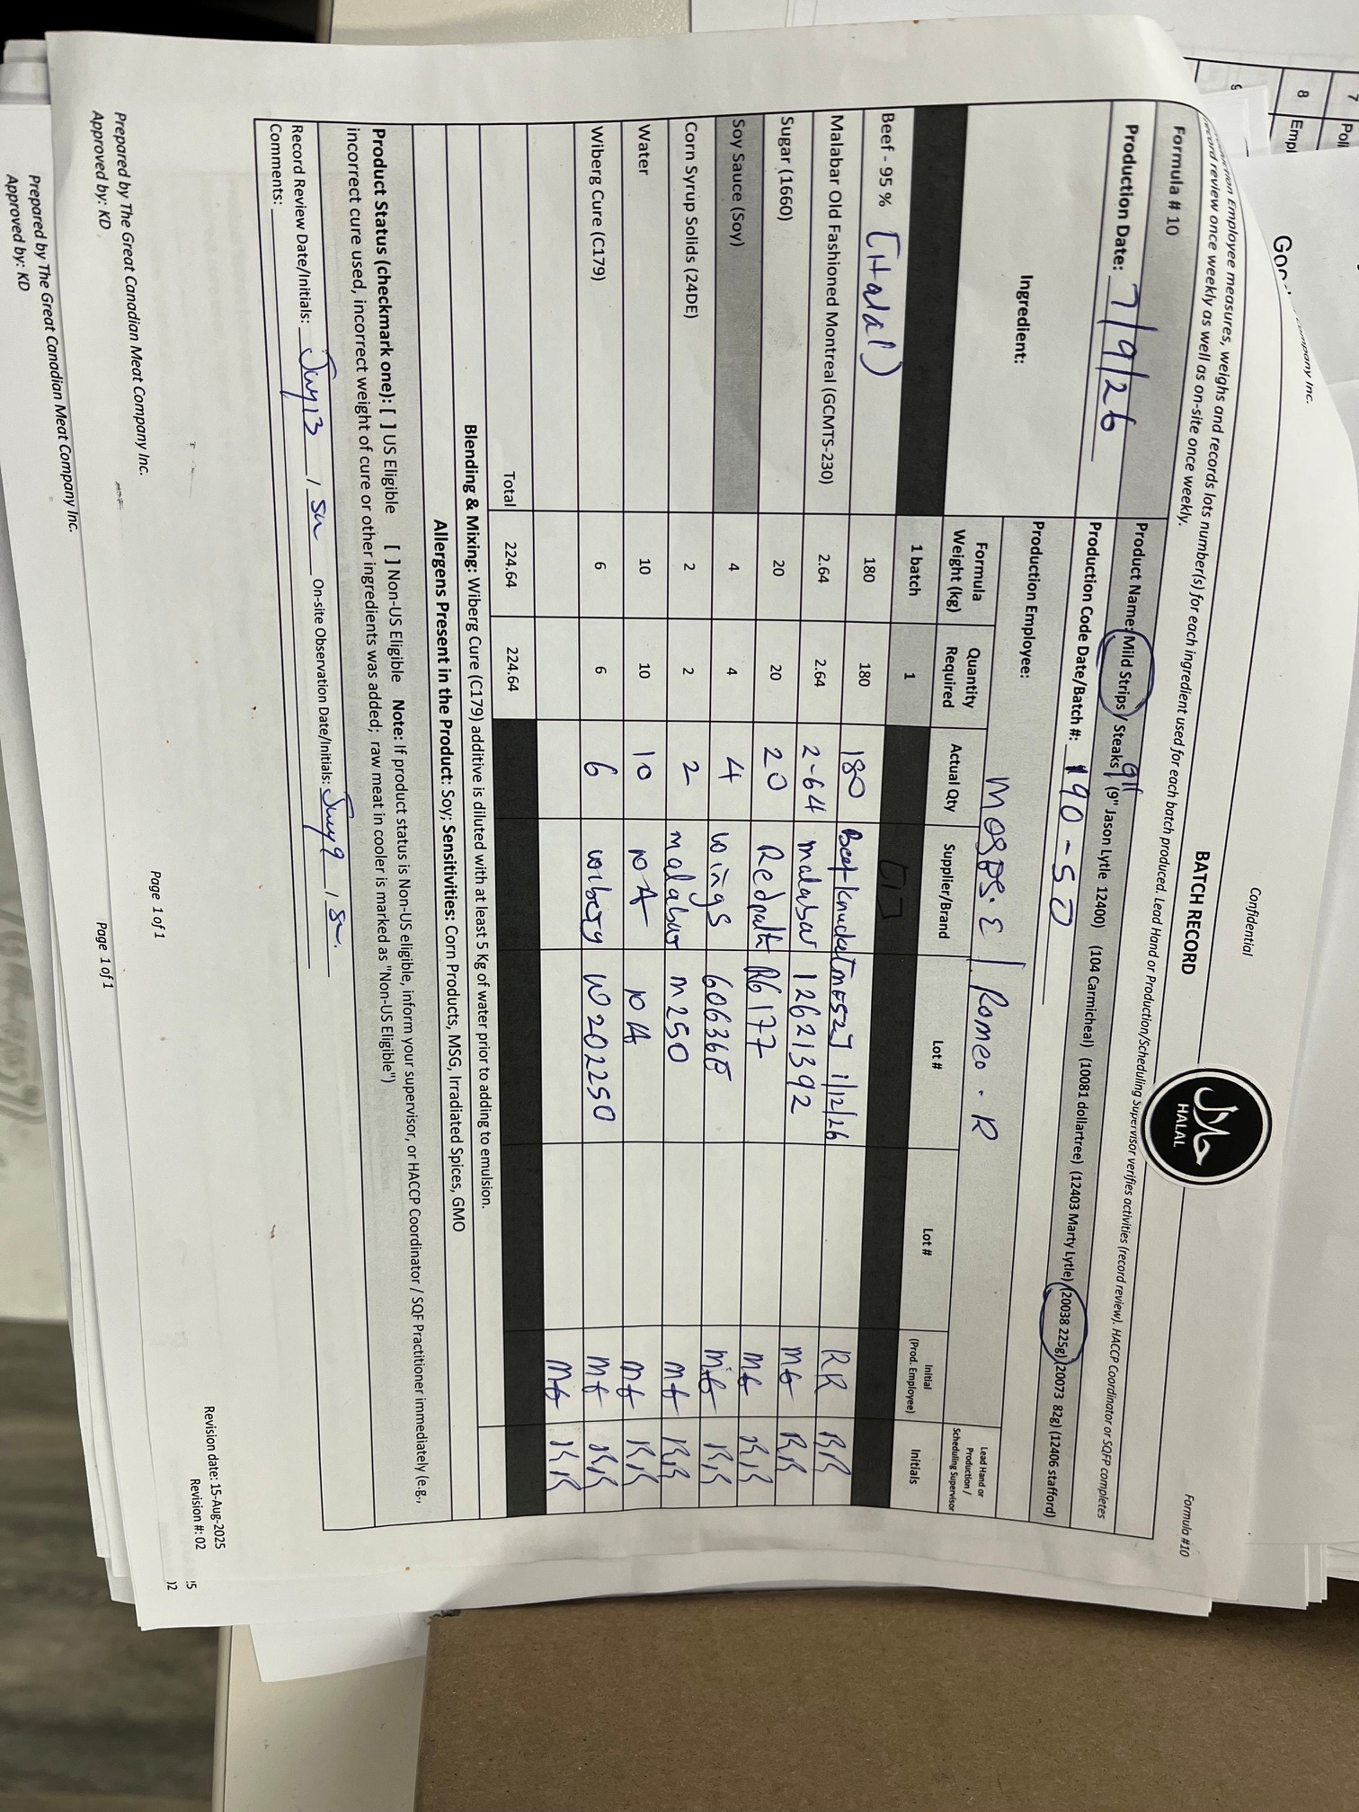
The Great Canadian Meat
Test No. | 1
Title: | Franks Hot Sauce Replacement
Product Code: | 20028
Production/ Packaging: | Powdered hot sauce in production
Project | Switch from Liquid to powdered hot sauce
Proposal Trial Date | July 14 2026
Plant Trial Objective: | Confirm powder has no change to product to be able to confirm a new supplier
Requested by: | Sophie, Steph, Stefan

Trial Purpose: | Verify taste is a match between liquid and powder to switch to an approved supplier
Production Line & Description:
Finished Product Disposition:

Project History:
Current ingredient (liquid) is produced by an unapproved vendor

Existing Product? | yes
New Product | NO

Allergens:
Product Allergens? | NA

Shelf Life:
Desired Shelf Life | 365days
Shelf Life Testing required? | No | new low risk product and existing process

Microbial Testing Requested?:
Testing; | NO | existing

Label Update or Nutritional?:
Update required?

Hold Required?:
Hold # | Test #4
Status after Review? (Release, Dispose)
Status

Action Standard | Similar overall liking, spice and taste perception, and visual

Materials Required for Trial: | 6-1100 Powdered dry hot sauce flavour

New Supplier? | Yes; BSA Wiberg
New Ingredient? | Yes, Powdered Hot Sauce
New Packaging? | NO
Other; | na
Comments (all documents received?); |  | Specification | Yes
 | BRC 23 August 2026 | Third Party Audit | Yes
 | continuing August 2025 | Letter Guarantee | Yes
 |  | Supplier Questionnaire | If approved

Remaining ingredients same
Trial Requirements: - Small batch for consumer descriptive testing
Trial Date:
Start Time:
Batch Size:
Labeling:
Customer Review: | na - is internal Great Canadian Meat product

Trial Approval
Position/Title |  | Indicate dist. list with 'x' | Name
CEO |  | X | P. Vanslyke

Plant Manager: |  | X | S. Crawford
Quality Control: |  | X | S. Kuzmych
Scheduler |  | X | A. Kulcar
Post Trial Information (Complete information after trial)
Trial Date: | July 10 2026
Sensory Panel Members
Observations:

General Information: | same batch sheet, same packaging

Trial Information:
Trial Start Time: | cook July 10
Trial End Time: | July 10 (last batch 3:30pm, V1)

Product Lot/Batch Details: | July 9 2027 / 190-50

Quantity Produced: | 19 cases (full)
224.64kg (raw)
Findings/Conclusions: | appearance (colour looks same), taste of beef

Complete: Yes/No-
Provide copy of batch sheet if applicable: | YES

letter guaran
